Sizer
 |  |  | Large Language Model Training: Checkpoint calculations
 |  |  |  |  | MEGATRON-LM

 |  | Input Parameters |  |  |  |  | Output Calculations

 |  | Input | Value |  |  |  | Output | Value
 |  | Checkpoint time (sec) | 60 |  |  |  | Checkpoint size (GB) | 4396
 |  | Model Size (B parameters) | 314 |  |  |  | Checkpoint impact (% of total time) | 3.33%
 |  | Checkpoint frequency (sec) | 1800 |  |  |  | Checkpoint Write Bandwidth Required (GB/s) | 73.3
 |  | Bytes per parameter | 14 | Dash et al. https://arxiv.org/pdf/2312.12705v2 |  |  | Checkpoint file size (GB) | 68.7
 |  | Tensor Model Parallelism | 8 |  | Cost ($/GPU-hr) | 2 | Number of GPUs that checkpoint | 64
 |  | Pipeline Parallelism | 8 |  | Failure rate (per day/1K GPUs) | 0.40 | Write Bandwidth per GPU (GB/s) | 1.1
 |  | Number of GPUs | 10000 |  | exaFLOP/s available | 4.744 | Number of checkpoints per day | 48
 |  | GPU Type | H100 |  | yottaFLOP needed | 18.840 | Total storage required per day (TB) | 211.008
 |  | Number of training Tokens (B) | 10000 |  | Token dataset size (TB) | 40.00 | Storage for full training (PB) | 9.7
 |  | FLOPs per parameter for 1 token | 6 | Kaplan et al.https://arxiv.org/pdf/2001.08361.pdf |  |  | Training Time estimate (days) | 46.0
 |  | FLOP/s/GPU from Megatron paper (petaFLOP/s)* | 474.4 |  |  |  | Time spent in checkpointing (days) | 1.53
 |  | * H100 FLOP/s is roughly 3xA100 FLOP/s |  |  |  |  | GPU Cost for training (Million $) | $22.06
 |  | * Blackwell is estimated to be 3-5x H100 Flops/s |  |  |  |  | Expected % of runs that will have no failure | 0.00%
 |  |  |  |  |  |  | Expected number of failures during the run | 184
He et al. 2023 - https://arxiv.org/html/2401.00134v1 |  |  |  | Narayanan et al. https://arxiv.org/pdf/2104.04473.pdf
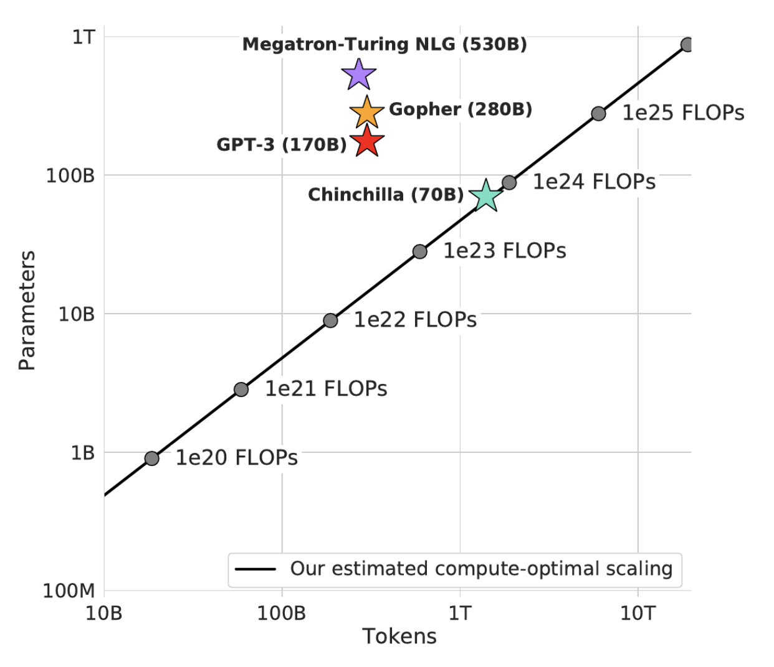
 | (Alibaba Paper on Fallure rates) |  |  |  | (A100 GPU Based)
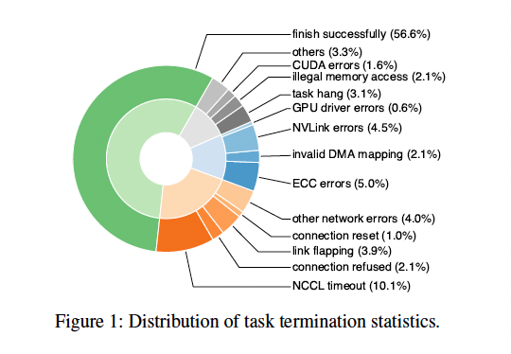

 |  |  |  |  | (H100 GPU Based)

